Site Testing by Jeremy
Item # | STATUS | Testing Page | Date | CELL | ACTION NEEDED | Fix Date | Fixed By | STATUS
1 | OPEN 9/4 ACTION (olga) | TEAM PAGE |  |  | CHANGE MINUTES TO SNAPS ON THE TEAM PAGE | 2019-09-04 | Olga
2 | OPEN 9/4 ACTION (olga) | TEAM PAGE | 2019-08-19 |  | NEED NFL DATA BACK UP. | 2019-09-05 | Olga | Not done. Where is my data??
3 | OPEN 9/4 ACTION (olga) | TEAM PAGE | 2019-08-19 |  | Add colors for players that missed minutes. Use excel sheet INJURY GRID TOOL for guidelines by sport 50-55 MM | 2019-09-04 | Olga
4 | OPEN 9/4 ACTION (olga) | TEAM PAGE | 2019-08-19 | Follow directions--->use pics | Condense the top section to half of the width that it currently is. | 2019-08-31 | Olga
5 | OPEN 9/4 ACTION OLGA | CONFERENCE | 2019-08-19 |  | Appreivate the conference names to the same style as Teams tab in Injury Grid.xls | 2019-09-04 | Olga
6 | OPEN 9/6 ACTION (JOHN) | CURRENT INJURIES | 2019-08-19 |  | How do i navigate to this page? (see Injury Grid.xls tab Current Injuries)
7 | OPEN 9/6 ACTION (JOHN) | CONERENCE | 2019-08-26 |  | Team Average Minutes lost per game data not correct on this page. | http://3.14.246.242:9098/playersinfo/teamsconferences
8 | OPEN 9/6 ACTION (olga) | CONFERENCE | 2019-08-19 |  | Header filters are not working
9 | OPEN 9/6 ACTION (olga) | TEAM PAGE | 2019-08-19 |  | NHL-Shots on goal spelled incorrectly 1:10MM
10 | OPEN 9/6 ACTION (olga) | TEAM PAGE | 2019-08-19 |  | MLB HEADERS HAVE HOCKEY (SEE MLB tab on worksheet)
11 | OPEN 9/6 ACTION OLGA | TEAM PAGE | 2019-09-03 |  | SNAPS LOST DATA NEEDS TO BE CORRECT FOR CFB & NFL
12 | OPEN 9/6 ACTION OLGA | TEAM PAGE | 2019-08-26 |  | MLB Data not displaying. Columns headers are incorrect.
13 | OPEN-9/4 ACTION OLGA | NAVIGATION | 2019-09-03 |  | Make the "HOME crum white. Make the NFL crum clickable to go back to the following page. Make the team name page crum BLUE
14 | OPEN-9/4 ACTION OLGA | CONFERENCE | 2019-08-19 |  | 9/3 REVIEW: SEE CFB AND CBB Team tab. Change Column Header of Team to TEAM it is currently listed as a school name | 2019-08-30 | Olga | This isnt done.
15 | OPEN-9/4 ACTION OLGA | TEAM PAGE | 2019-08-19 |  | Add COLLAPSE GAME DETAILS option 54 MM (See Injury Grid.xls) TAB NFL for example
16 | OPEN-9/4 ACTION-JOHN | DATA | 2019-08-19 |  | Snap count data week 0 & 1 for CFB----JOHN
17 | OPEN-9/4 JEREMY-GET LIST FOR CFB | CONFERENCE | 2019-08-26 |  | Several conferences are listed that should not be in cfb.
18 | OPEN-9/4 JEREMY-GET LIST FOR CFB | TEAM PAGE | 2019-08-26 |  | Maryland Baltimore Co. (American East Conference) is displaying as Marlyand. CHECK ALL TEAMS
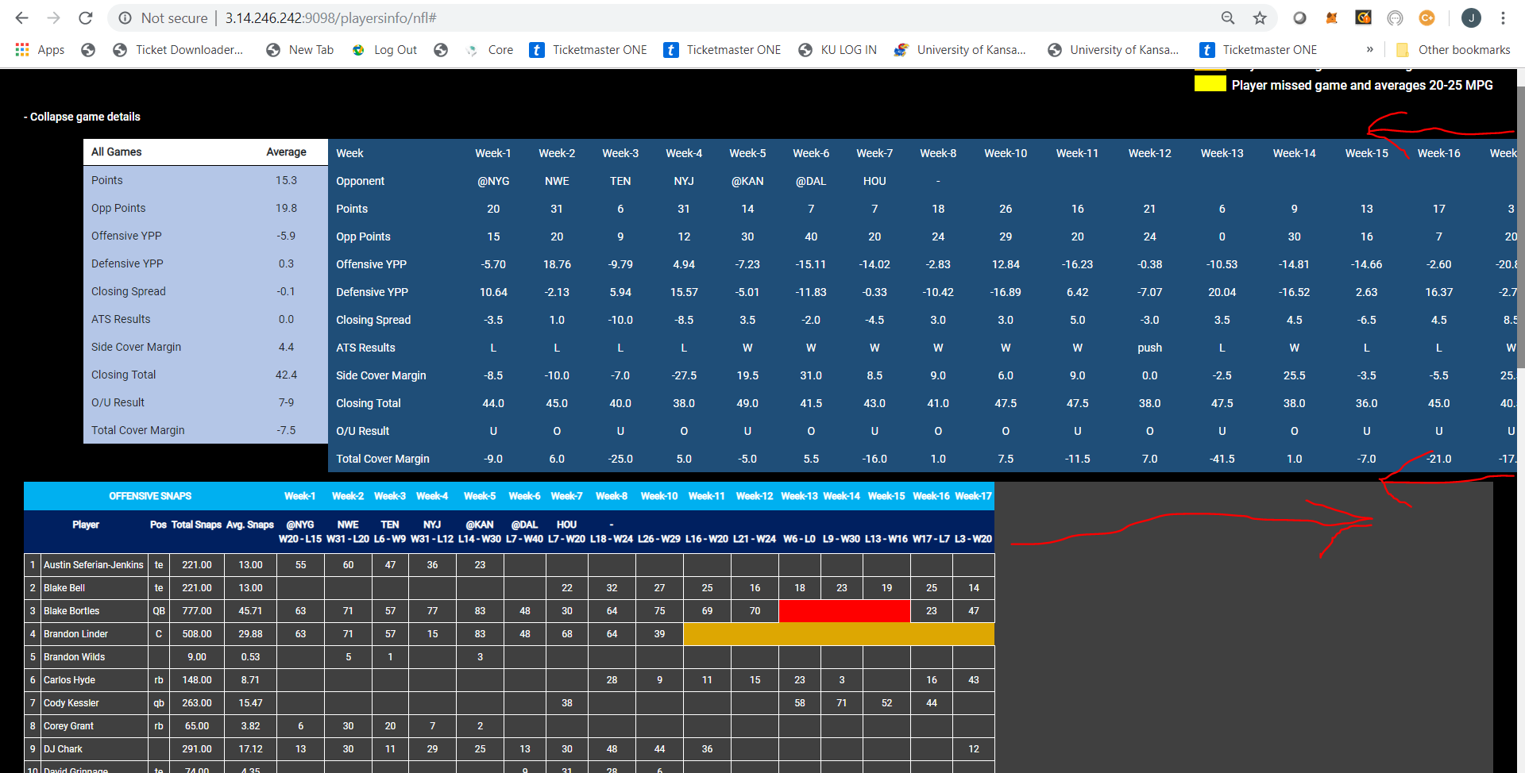
 |  |  |  |  | Push the bottom chart out to fill the entire page. Push the top blue section in to fit on 1 page | 2019-08-31 | Olga
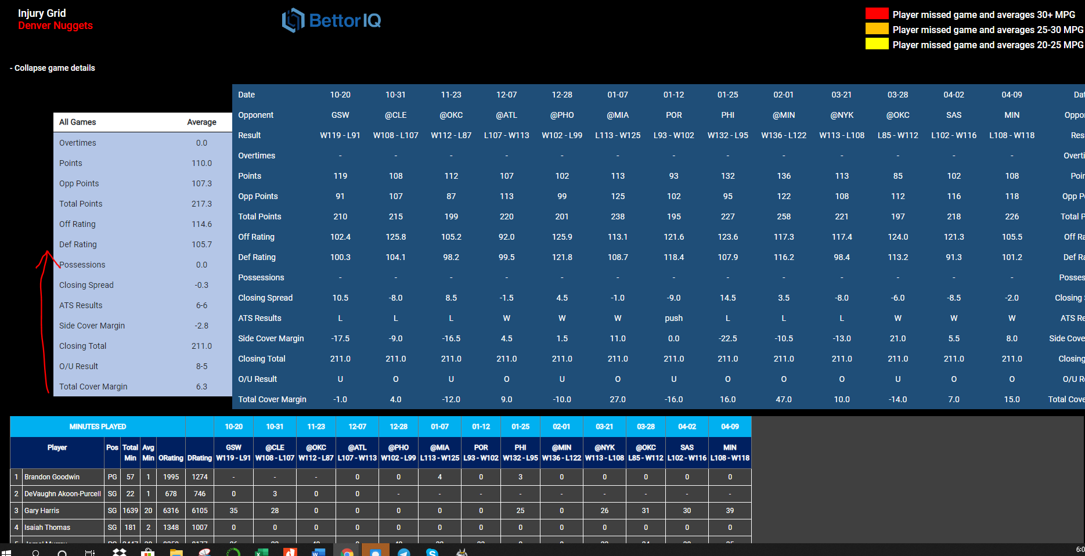

19 | OPEN 9/4 | TEAM PAGE | 2019-08-26 | 1 | Reduce the width of the columns to match the spreadsheet | 2019-09-04 | Fixed | Olga
 |  |  |  | 2 | Total Offensive Snaps Missed Column does not exsist on the URL. Needs Added
 |  |  |  |  | For NHL the spacing needs adjusted as well. For the top dark blue section and the width of the columns in dark grey
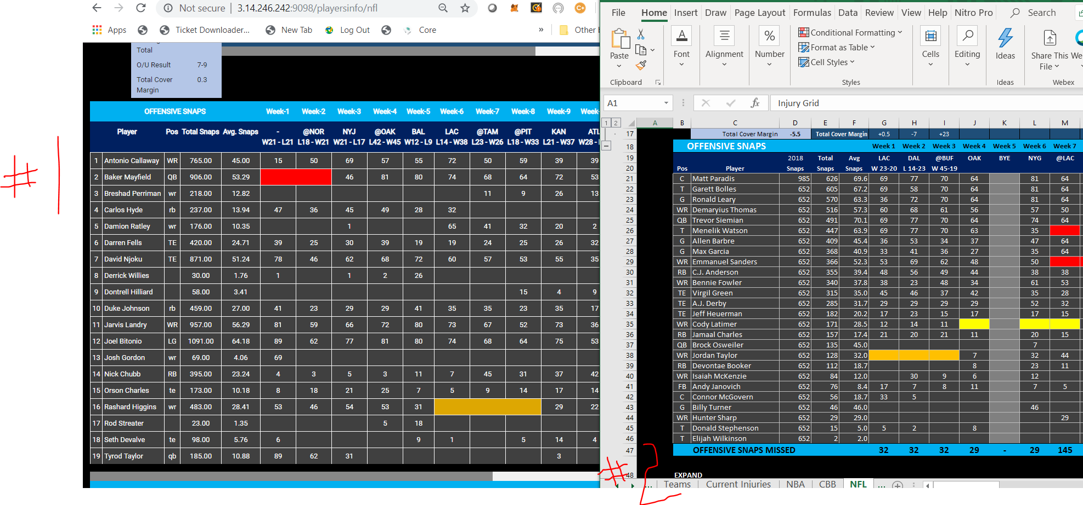
 |  |  |  |  |  | 2019-08-25

 | EXECUTED | EXECUTED | EXECUTED | EXECUTED | EXECUTED
 | FIXED | ALL PAGES | 2019-08-19 |  | Add Navigation HOME----LEAGUE----TEAM (TEA LEAFS)56mm | 2019-08-30 | Olga | This isnt on the Team Page
 | FIXED | CONFERENCE | 2019-08-19 |  | Delete Conference for NBA, NFL, NHL, MLB. Alpabetical is fine | 2019-08-30 | Olga | Not done
 | FIXED | CONFERENCE | 2019-08-19 |  | NFC (National Football Conference) teams are not displaying. | 2019-08-31 | Olga
 | FIXED | TEAM PAGE | 2019-08-26 |  | Drop down box: change NCAAF & NCAAB to CFB & CBB | 2019-08-30 | Olga

Query email 2 questions
DATA SOURCE QUESTIONS | Source | Notes | Link
NBA and NCAAB: | NBA and NCAAB: | NBA and NCAAB: | NBA and NCAAB:
Overtime data | https://www.basketball-reference.com | look for OT designation in box score | https://www.basketball-reference.com/boxscores/pbp/201903090MIN.html
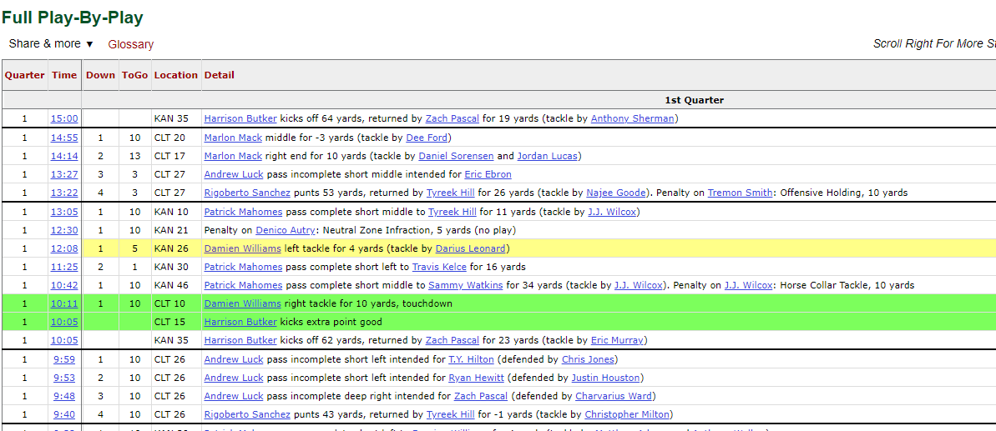
minutes lost of player. |  | math formula that adds the Avg Min for every player that is highlighted for a particular game (column)
Total Possessions for the game | https://www.basketball-reference.com | same as Pace at top of box score | https://www.basketball-reference.com/boxscores/201810210CLE.html
ORating and DRating not available for ncaab. | https://www.basketball-reference.com | on the Team page under Per 100 Poss header | https://www.sports-reference.com/cbb/schools/alabama/2019.html
what is (PPG, RPG, APG, PER) and from where to get it. | https://www.basketball-reference.com | PPG, RPG and APG are under the Per Game header on the Team pages, PER is under the Advanced header on the same page | https://www.basketball-reference.com/teams/PHI/2019.html

NFL and NCAAF | NFL and NCAAF | NFL and NCAAF | NFL and NCAAF
where is offensive snap and defencive snap data for nfl? | https://www.pro-football-reference.com/ | NFL snap counts are at Football Outisders in each box score, NCAAF is not available yet | https://www.pro-football-reference.com/boxscores/201809090rav.htm
which data is offensive minuite played and which data is defensive minuite played? | N/A | there are no minutes showed for football
Where to get Offensive YPP and Defensive YPP |  | On a per game basis, use the link to the right to get YPP for Off and Def (offense is the team and the other team is the Opp). You must weight the YPP for number of plays in order to calculate the YTD YPP for each team. We need a database for this so we can calculate the impact when certain guys are injured. | https://www.espn.com/nfl/matchup?gameId=401030816
no data for position for sport ncaaf | https://www.pro-football-reference.com/ | Go to team pages and see Pos under roster | https://www.pro-football-reference.com/teams/htx/2018_roster.htm

NHL | NHL | NHL | NHL
Where is Shots on Goal and opponent Shots on Goal | https://www.hockey-reference.com/ | In each game box score under column "S" for each team | https://www.hockey-reference.com/boxscores/201810030SJS.html#all_advanced

MLB | MLB | MLB | MLB
What is PA/G and from where to get it. | see workbook (this is just an average of the PA in that row across) |  | PA/G = Plate Apperances per game (average)
What is Starting Pitcher, Opp Starting Pitcher and from where to get it. | https://www.baseball-reference.com | Starting Pitcher is always the first pitcher listed in the box score for a team under Pitching (Opp Starting is the opponent's first pitcher listed) | https://www.baseball-reference.com/boxes/PHI/PHI201903280.shtml
Note: Batting Game is considered for data collection in MLB | xxx | xxx | xxx

Common: | Common: | Common: | Common:
1. posision of player changes game-wise or its fixed for player throught the season? | The position is the listed at Sports Reference for every player on the team page (always take from there)
What is MPG for injury data | Minutes per game (average minutes player per game)
what is POS for injury data(MLB) and from where to get it. | POS is position and comes from the team pages at Baseball Reference under Pos
From where to get status data for injury | DEVELOPERS-see injury sources
posision of player changes game-wise or its fixed for player throught the season? | see above
Where is MPG for injury data | see above
what is POS for injury data(MLB) and from where to get it. | see above
From where to get status data for injury. | see above

 | JH---CHECK WITH SMWW SOFTWARE PROVIDER-SNAP DATA

